FINAL GRADES
GRADES
Course
NAME | Rounded
 | % | Letter | LAST DAY
name1 | 86.6% | B |  | 0.0% | F
name2 | 80.4% | B- |  | 60.0% | D-
name3 | 86.7% | B |  | 64.0% | D
name4 | 94.1% | A |  | 67.0% | D+
name5 | 97.8% | A |  | 70.0% | C-
name6 | 96.8% | A |  | 74.0% | C
name7 | 79.2% | C+ |  | 77.0% | C+
name8 | 91.9% | A- |  | 80.0% | B-
name9 | 91.1% | A- |  | 84.0% | B
name10 | 83.2% | B- |  | 87.0% | B+
 |  |  |  | 90.0% | A-
 |  |  |  | 94.0% | A

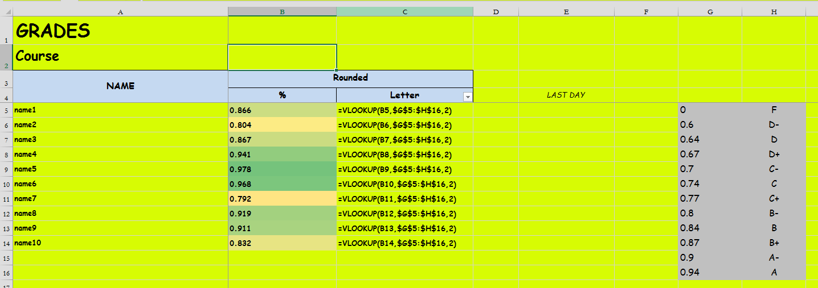

QM213abc Cumulative Percentage
F | 100%
D- | 90%
D | 87%
D+ | 87%
C- | 85%
C | 85%
C+ | 84%
B- | 74%
B | 61%
B+ | 48%
A- | 40%
A | 31%

